Sheet1
 | Document No. |  | Issue No. | Issue Date |  | Review and Replace Date |  | Authorised By
 | GFF239MC |  | 2 | 06.11.2020 |  | 23.12.2021 |  | Magda Shah
 | Document Title |  | GARLIC BREADED MUSHROOMS & SOUR CREAM 240g
Document amendments reason for change | Film updated |  |  | Page 1 of 1 | Previous Issue Date |  | 06.11.2020 | Uncontrolled copy unless signed original

CGMU2C-R6T |  | GAZEBO | GARLIC BREADED MUSHROOMS & SOUR CREAM 240g | CHILLED
STEP 1 |  |  | STEP 2 |  |  |  | STEP 3
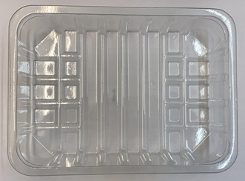 |  |  | 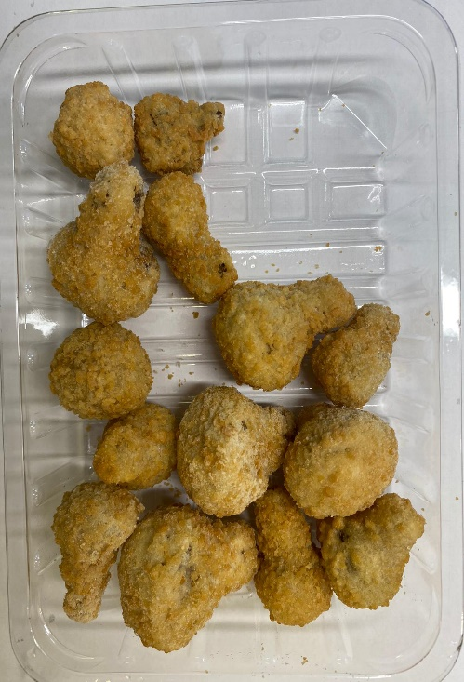 |  |  |  | 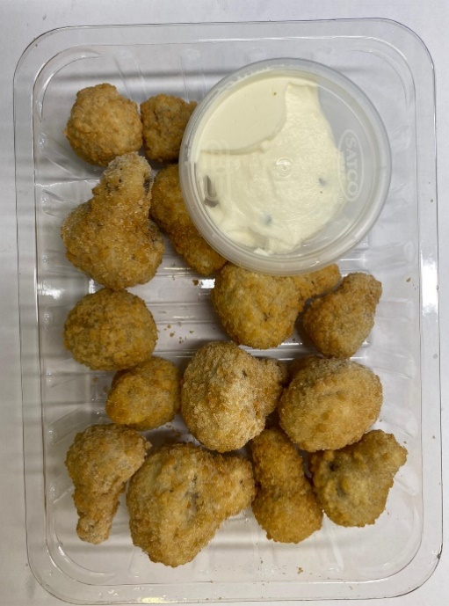

DO NOT FRY

Tray: SK4-Plain Clear (PKESS001-07) |  |  | Breaded Garlic Mushrooms (RMFOU001): 200g |  |  |  | Sour Cream with Chive (GFF227R): 40g
Film: ME300AFV2, 300mmx 1000m (PKPRO001-16) |  |  |  |  |  |  | Satco 2oz Pots with Lids (PKJEN001-03)
TOTAL WEIGHT: 240g
ALLERGY ALERT: EGG, MILK, WHEAT

